educationLevel
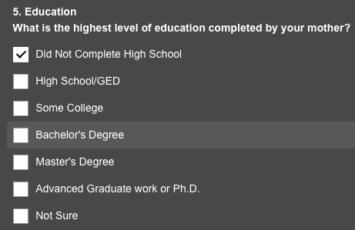
edu | edunum | educationLevel
Preschool | 1 | Did Not Complete High School
1st-4th | 2 | Did Not Complete High School
5th-6th | 3 | Did Not Complete High School
7th-8th | 4 | Did Not Complete High School
9th | 5 | Did Not Complete High School
10th | 6 | Did Not Complete High School
11th | 7 | Did Not Complete High School
12th | 8 | Did Not Complete High School
HS-grad | 9 | High School/GED
Some-college | 10 | Some College | so 16 --> 5 categories
Assoc-voc | 11 | Some College
Assoc-acdm | 12 | Some College
Bachelors | 13 | Bachelors Degree
Masters | 14 | Post Graduate
Prof-school | 15 | Post Graduate
Doctorate | 16 | Post Graduate

